1. Directions
DIRECTIONS AND PROJECT OVERVIEW
The Goal of this activity is to understand the impact taxes have on your personal budget.
Project your Income
Determine your FICA tax
Estimate your Local Income Tax.
Tax Effects on Contributing to Retirement Plans
Federal Income Tax Estimates
State Income Tax Estimates
Tax Effects on Health Insurance
Using Excel
Use formulas and cell references whenever possible INSTEAD of typing in numbers or using your calculator. This will help YOU if any earlier numbers are changed, and help ME as I review your budget. For example, in the actual Budget (Tab 10) you'll need data from earlier worksheets. Do not re-type the numbers that you calculated earlier. Instead, use cell references. If you are new to Excel, here are a few hints on how to use formulas and cell references:
Start all formulas by typing an equal sign.
To add cells: =B2+B6
To subtract cells: =B2-B6
To multiply cells: =B2*B6
To divide cells: =B2/B6
To reference a cell from a different spot on the worksheet or on a different worksheet, simply click your cursor on the destination cell, type an equal sign (=), and then click your cursor on the original cell. The contents of the original cell will then automatically populate the destination cell.
To move between worksheets, click the tabs on the bottom of the screen.
Let me know if you need any more coaching on Excel.
DIRECTIONS THROUGHOUT PROJECT
Yellow cells: Input text, numbers, or cell references
Orange cells: Input correct mathematical formula
Use round dollar amounts. No cents needed.

2. Income
Salary Estimate
If you already have a job offer, you'll know this figure. If not, you'll have to do some research. Estimate your income for your FIRST year out of college (or grad school), be conservative in your salary estimate if salary ranges are given. I'd rather have you plan for worst-case scenario than best-case scenario when it comes to your salary. Also, be sure to take into account your planned location. You may use any of the following sources:
Robert Half salary calculator at the following link:
https://www.roberthalf.com/salary-guide/calculator
payscale.com
US Dept. of Labor (BLS.gov)
monster.com
Simply hired.com
Indeed.com
career services
want-ads
info from friends who have just graduated, etc.
Job /position | Chemical Engineer
City | Cleveland
State | Ohio
Source of information | payscale.com

If you expect to have other EARNED income (e.g., bonus, side jobs or gigs) the FIRST YEAR out of college, include it, and then explain what it is here. Do NOT include passive income from investments.
Annual Salary | $84,307
Plus: Other earned income (if any) | $-
Total income for the year | $84,307
Divide by 12 | 12
Monthly income for a budget | $7,025.58

DIRECTIONS THROUGHOUT PROJECT
Yellow cells: Input text, numbers, or cell references
Orange cells: Input correct mathematical formula
Use round dollar amounts. No cents needed.

3. FICA tax
FICA (Federal Insurance Contribution Act) tax
FICA consists of taxes for social security (6.2%) and taxes for medicare (1.45%). Combined they total 7.65% of your salary and wages. The tax is assessed on SALARY AND WAGE (and BONUS) income, not on any investment income. Your employer pays an equal amount amount of tax.
The Social security tax does not apply to amounts earned over $176,100 (2025 cap). This cap increases every year. However, the Medicare tax has no salary cap. Therefore, if your annual salary is over $176,100, you will pay 7.65% on the first $176,100 plus another 1.45% on income over that cap.
Depending on your expected salary, fill out one of the top two green boxes to the right.
Finally If you have any self-employment income, you are both the employer and the employee, so you will need to DOUBLE the tax rate.
 |  | Annual salary, if BELOW $176,100 | $84,307
 |  | FICA rate | 7.65%
 |  | Total FICA Tax | $6,449
 |  | divide by 12 | 12
 |  | Monthly FICA tax for budget | $537

 |  | Annual salary, if ABOVE $176,100
 |  | Less social security cap | $147,000
 |  | Excess over cap | $(147,000)
 |  | Medicare tax rate on excess | 1.45%
 |  | Medicare tax on excess
 |  | Plus:
 |  | Social security cap | $147,000
 |  | FICA tax rate | 7.65%
 |  | FICA on salary up to cap | $11,246

 |  | Total FICA tax (SS and Medicare) | $11,246
2022 SS Wage cap | $147,000 | divide by 12 | $12
 |  | Monthly FICA tax for budget

 |  | Any self-employment income? | 0
 |  | If so, calculate double the FICA rate on it | 0
 |  | divide by 12 | 12
 |  | Monthly FICA on self-employed income | $-
 |  | Plus monthly FICA on salary (above) | $537
 |  | Total monthly FICA for budget | 537.457125

4. Local income tax
Local income tax
Some cities and counties, including Cleveland, have a local income tax. Cleveland’s local income tax is 2.5% of gross wages. If you plan to live somewhere other than Cleveland, use the links below to determine whether you will be subject to a local income tax on your salary and wages. Do NOT just Google your city, as the searches usually result in an average tax rate including sales tax, state income tax, etc., whereas we are specifically trying to find JUST the LOCAL INCOME TAX rate for your city, if there is one. The file links below contains the information you'll need.
Many local communities use a central collection system for income tax purposes. Check the links for Central Collection Agency or Regional Income Tax Agency for current tax rates for your city. If your local community is not listed in CCA or RITA, then use the tax foundation link below.
Once you click on the tax foundation link below, you'll have the option of downloading either a pdf file or an Excel file. You may use either file. Although the data is from 2019, it is still the most thorough data I could find.
The pdf file provides background, including a map of states that have local income taxes. The actual tax rates are listed beginning on page 8. The Excel file only provides a listing of the tax rates.
Most local income taxes are based on a percentage of earned income (salary and wages) but some are a flat dollar amount per month or year. Use your findings to
answer the questions in Column G.
 | Will you have a local income tax? | yes
Show calculations of local income tax if you will be subject to one.
 | Annual earned income | $84,307
 | Local income tax rate | 2.5%
 | Total yearly local income tax | $2,107.68
 | -OR-
 | Total flat dollar amount per year | 0

 | Divide by 12 | 12
 | Monthly local income tax for budget | $175.64

https://www.ritaohio.com/municipalities

http://ccatax.ci.cleveland.oh.us/?p=taxrates

https://taxfoundation.org/local-income-taxes-2019/

5. Retirement contributions
Retirement plan contributions
Before we can do the Federal income tax calculations, you'll have to make some decisions about how much money you want to contribute to tax-advantaged retirement accounts during the year.
Keep the following in mind:
Step 1: How much should you contribute in each year? Experts recommend saving 10-15% of your gross salary each year for retirement. Calculate these benchmarks in the first green box to the right.
Step 2: The total amount you contribute during the year can be split between 401(k), ROTH 401(k) , traditional IRA, and ROTH IRAs. Here are some 2025 tax rules to help you make your decision:
1) You can contribute up to $23,500 per year into a 401(k) OR into a ROTH 401k, if your company has one. While most companies have traditional 401k plans, only 50% of large companies offer a Roth version. So if you know you won't be working at a BIG company, assumue you won't have access to a Roth 401k. In total, you may only contribute up to $23,500 per year into either of these accounts (or a combination of the accounts).
2 Keep the following in mind: Any contributions you make to a traditional 401k are tax-deductible: meaning you get a tax break in the year you make the contribution. You will eventually be taxed on the investment earnings when you withdraw the money during retirement. On the other hand, any contributions you make to a Roth 401k are NOT tax-deductible: meaning you DON'T get a tax break in the year you make the contribution. However, you will NEVER be taxed on the investment earnings in the account.
3) You can contribute up to $7000 MAX per year in either a traditional IRA or a Roth IRA, or a combination of the two types of IRAs (say $3,000 in one and $4,000 in the other= $7,000 max). However, if you make over $161,000 per year you can NOT contribute to a Roth IRA per IRS rules. (If you make between $146,000 and $161,000, you may have some reduction in the amount you can contribute.) Note these are the limits for a single individual - there are other limits if you are married. See IRS.gov for more details if needed.
4) If your company has a 401(k) plan and your salary is above $84,000, then you will NOT get a tax deduction for traditional IRA contributions. Therefore, in this situation your best bet is to stick with the traditional 401(k) to get the deduction. (If you are singl with income between 74K and 84K you may get a partial deduction. You are married, other income limit levels apply and you'd want to check irs.gov for more guidance.)
5) My advice? Use the Roth accounts while you are young, have time on your side, and have lower salaries. Some day you will thank yourself for all of that tax-free investment earnings!
STRATEGY to make best use of employer's matching contributions
Assume your employer’s 401(k) plan will offer a match of up to 3% of your salary. So, to get the free money (match), you would want to contribute a minimum of 3% of your annual salary to the 401(k) plan. If you want to save 10%-15% in total, that means that in addition to the 3% going into your 401(k), another 7-12% of your annual salary should be contributed to a ROTH IRA, a traditional IRA, or more to the 401(k). Your exact strategy will be influenced by the IRS rules summarized above, as well as whether you want the tax-advantage now, when making contributions (401k or IRA) or later, when you are retired (Roth IRA).
Step 1:
Advised amount:
Annual salary | $84,307
10% of salary | $8,431
15% of salary | $12,646

This is your own personal decision. First, decide the total amount you want to contribute. Then, split it up. You may have some, none, or each of the four, but you must follow the IRS rules to the left.
Step 2:
Decision: | Per year
Total amount you want to contribute | $10,538
Of total amount, how much to traditional 401K? | $1,538
Of total amount, how much to ROTH 401K? | $2,000
Of total amount, how much to traditional IRA? | $3,000
Of total amount, how much to ROTH IRA? | $4,000

Divide by 12 to get the amounts for your budget
Traditional 401k monthly contribution | $128.20
ROTH 401k monthly contribution | $166.67
Traditional IRA monthly contribution | $250.00
ROTH IRA monthly contribution | $333.33

6. Federal Taxes
Federal Income Taxes
On this sheet you'll be calculating your 1) taxable income and 2) federal income tax.
You MUST do the calculations for the WHOLE YEAR, before finding the amounts that would impact your monthly budget.
Where possible, in the yellow boxes, use cell references to figures on earlier worksheets.
If you are self-employed, you may deduct your health insurance and half of your FICA tax as business expenses when arriving at taxable income. Leave me a note if that's the case.
IF YOU HAVE STUDENT LOANS you may be eligible for a tax deduction:
If your yearly income, after subtracting only 401k contributions, is greater than $90,000, then you are NOT eligible for this deduction. However, if it is LESS THAN $90,000, read on:
Before calculating taxes, calculate your approximate interest on student loans (below). You should have this information from doing the Life Application Activity on Student Loans.
If you have loans from multiple years you can estimate the total interest using an average interest rate across all years OR you can do a more precise calculation, using each years' rate with each year's loan.
The MAXIMUM student loan interest you can deduct on your tax return each year is $2,500 . If your interest is larger, you can only deduct $2,500 when calculating your taxable income.
`
 |  |  | Step 1: Calculate taxable income | TOTAL FOR YEAR
 |  |  | Annual Income | $84,307
 |  |  | Less: Total contributions to Traditional 401(k) (no deduction for a Roth) | $1,538
AGI is the starting place for most state taxes. Keep this in mind on the State tax worksheet.
 |  |  | Less: Total contribution to Traditional IRA (no deduction for a Roth!) | $3,000
 |  |  | Less: Interest on Student Loan ($2,500 max) subject to income limit | $275
 |  |  | Adjusted Gross Income (AGI) | $79,494
 |  |  | Less: Standard Deduction (Single taxpayer) | $12,950
 |  |  | Taxable income | $66,544

NOTE: You will only use ONE of these rows, depending which tax bracket your Taxable income falls within (see column G)
 |  |  | Step 2: Calculate income tax
 |  |  | 2022 Tax Brackets: Find the ONE bracket your taxable income (above) falls within | Then federal tax due is…. | Calculate YOUR Federal tax
 |  |  | $0-$10,275 | 10% of taxable income | n/a
 |  |  | $10,275-$41,775 | $1,027 + 12% of the taxable income over $10,275 | n/a
 |  |  | $41,775- $89,075 | $4,807 + 22% of the taxable income over $41,775 | $10,256.14
 |  |  | $89,075- $170,050 | $15,213 + 24% of the taxable income over $89,075 | n/a
 |  |  | $170,050-$215,950 | $34,647 + 32% of the taxable income over $170,050 | n/a
 |  |  | $215,950- $539,900 | $49,335 + 35% of the taxable income over $215,950 | n/a
 |  |  | Over $539,900 | $162,718+ 37% of the taxable income over $539,900 | n/a

 |  |  |  | Step 3: Divide by 12 to for monthly budget | $854.68

Total student loan balance | $6,500
Average Interest Rate (see below) | 4% | from life app
Student loan interest | $275

Federal loans are TEMPORARILY set at 0% interest rate because of Covid. However, they are scheduled to reset to the rates shown in this screenshot after January 1, 2023. Therefore, do not use 0% as the interest rate.
FEDERAL STUDENT LOAN INTEREST RATES (Based on year they were given):
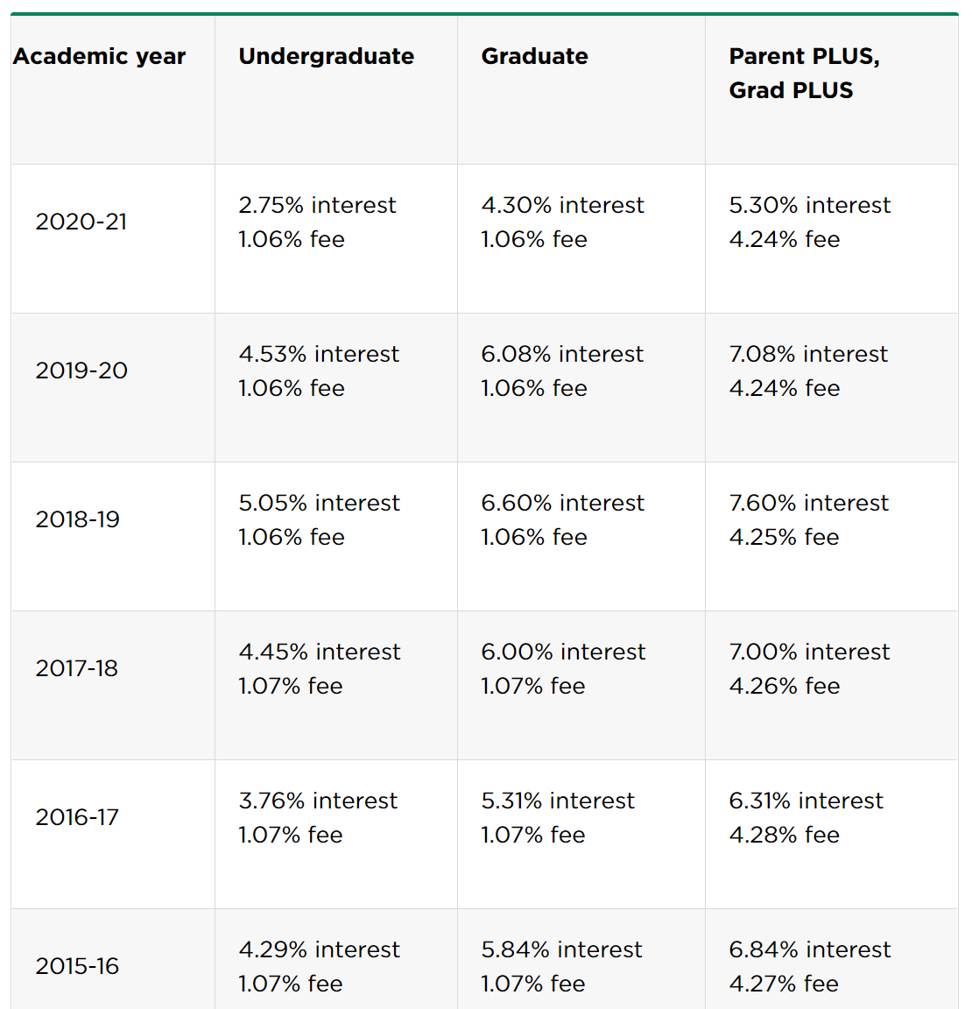

2023-24 5.50% 7.05% 8.05%
2022-23 4.99% 5.28% 7.54%
2021-22 3.73% 6.54% 6.28%

7. State taxes
State income taxes
Fill in Step 1.
Alaska, Florida, Nevada, South Dakota, Texas, Washington, Wyoming do not have an income tax. Futhermore, New Hampshire and Tennessee only tax investment income, but not salary and wages.
Fill in Step 2 ONLY if you plan to live in Ohio. Once you finish Step 2, you are done with this worksheet. Ignore everything else below since it only pertains to people who plan to live in other states.
Fill in Step 3 ONLY if you plan to live in any state outside of Ohio that has a state income tax. To do so, first click on the Tax Foundation link to the state income tax rates below this box. Once at the website, click on "Download Data" (do NOT download the pdf). You will get an Excel file that lists each state in alphabetical order, including Washington DC at the bottom of the list. Next to each state you'll see information about tax brackets, standard deductions, and exemptions.
A couple of notes:
i) Columns H and J of that file show whether YOUR state has a standard deduction and/or personal exemption. Use that information in cells J27 and J28 of this worksheet
ii) COPY and PASTE the tax brackets and rates (Columns B, C, and D) just for YOUR STATE into this worksheet in the space below this box.
iii) A few states have ONE flat tax rate. Most states have graduated rates where your income is taxed in LAYERS, at progressively higher and higher rates. Compute the layers, and then the appropriate tax for each layer. I have provided an example starting on Row 52.
iv) You will only be taxed on your State Taxable Income (Cell J29 of this worksheet). Therefore, stop your tax calculations when the total amount taxed is equal to your state taxable income. See example provided starting on Row 52.
If NO, you are done with this worksheet.
 |  |  |  |  | Step 1:
 |  |  |  |  | What state will you live in? | Ohio
 |  |  |  |  | Do they have income tax? | Yes

Ohio Personal Exemption (2022): (2023 amounts not yet published so use 2022)
If AGI < $40,000, then $2,400
If $40,000 < AGI < $80,000, then $2,100
IF AGI >$80,000, then $1,900
 |  |  |  |  | Step 2: ONLY IF OHIO

 |  |  |  |  | AGI from federal taxes worksheet cell H7 | $79,494
 |  |  |  |  | Less: personal exemption | $2,100
 |  |  |  |  | Ohio Taxable income | $77,394

 |  |  |  |  | 2023 Tax brackets: Ohio Taxable Income | Tax Calculation | $77,394
 |  |  |  |  | 0 - $26,050 | 0.00% | n/a
 |  |  |  |  | $26,050- $100,000 | $360.59 + 2.75% of excess over $26,050 | $1,772.54
 |  |  |  |  | $100,000- $115,300 | #2,394.32+ 3.668% of excess over $100,000 | n/a
 |  |  |  |  | Over $115,300 | $2,958.58 + 3.75% of excess over $115,300 | n/a

 |  |  |  |  |  | Divided by 12 | 12
 |  |  |  |  |  | State income tax for a monthly budget | 147.71205312

 |  |  |  |  | Step 3: ONLY IF OTHER STATE

If Colorado, North Dakota, or South Carolina, you start with FEDERAL TAXABLE INCOME from last worksheet, NOT AGI.
 |  |  |  |  | AGI from federal taxes
 |  |  |  |  | Less: state standard deduction (if any)
 |  |  |  |  | Less: state personal exemption (if any)
 |  |  |  |  | State Taxable income

 |  |  |  |  | State income tax per calculations
 |  |  |  |  | Divided by 12 | 12
 |  |  |  |  | State income tax for monthly budget

https://taxfoundation.org/publications/state-individual-income-tax-rates-and-brackets/

Paste the Brackets and Rates here |  |  | Income Layer | Tax on layer

EXAMPLE: Assume $60,000 of state taxable income (cell J29) and the following tax brackets

Notice how the first layer of income ($8,932) is taxed at 1%. The next layer of income ($12,243) is any income between $8,932 and $21,175. It is taxed at 2%. The pattern repeats.
Finally, once you hit your taxable income ($60,000 in this example), you'll have to adjust the income layer (E60 in our example) in that tax bracket so that the amount is equal to your taxable income in J29.
Paste the Brackets and Rates here |  |  | Income Layer | Tax on layer
1.00% | > | $0 | $8,932 | $89
2.00% | > | $8,932 | $12,243 | $245
4.00% | > | $21,175 | $12,246 | $490
6.00% | > | $33,421 | $12,973 | $778
8.00% | > | $46,394 | $12,240 | $979
9.30% | > | $58,634 | $1,366 | $127
10.30% | > | $299,508 | $60,000 | $2,709
11.30% | > | $359,407
12.30% | > | $599,012
13.30% | > | $1,000,000
State income tax for cell J31

8. Health insurance
Health insurance
You must have health insurance. Even if it were not the law, you need it to protect yourself from possible financial ruin.
Under the Affordable Care Act, you may stay on your parents' health insurance plan until the month you turn 26, but only if your parents allow you to do so (their insurance premiums will be higher with you on the plan).
For this assignment, I require that you look up the cost of insurance, EVEN if your parents continue to keep you on their plan. I want you to get a good idea of how much health insurance will cost you.
Each year, Kaiser Permanante does a survey of health insurance benefits. Use the link below to pull up the Summary of Findings for the most recent survey. Go to FIGURE B where you will find a horizontal bar chart of yearly insurance premiums broken down by 1) type of plan, and 2) coverage level (single or family), and 3) employer contribution vs worker contribution. Unless you are self-employed, you would only pay the worker contribution. Notice the employer pays a much larger share of the cost: that's a huge fringe benefit to you!
Types of plans HMO= Your choice of health care providers is very limited to a set group of doctors and hospitals, but there is generally no deductible before coverage kicks in.
PPO = You have a much broader choice in health care providers and have a fairly low deductible (approx. $500)
HDHP = Same as PPO, except your annual deductible is much higher (approx $2,500), so you have to pay more of your healthcare costs before the insurance kicks in. As a result, your monthly premiums are MUCH lower. For most healthy young adults, HDHP plans are the best option.
All plans = Averages of all types of plans
Use this information to fill out the green box to the right.

BE sure to use just the EMPLOYEE contribution UNLESS you are self-employed. If you are self-employed, use the FULL cost for the year.
 | SELF-EMPLOYED? (yes or no) | no
 | Type of Plan or Average | All (Average)
 | Annual cost | 1368
 | Divide by 12 | 12
 | Amount for monthly budget | 114
 | -OR-
 | My parents will keep paying | yes

Link to information:

https://www.kff.org/health-costs/report/2022-employer-health-benefits-survey/

